Reward
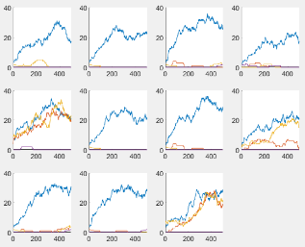
Reward Tune 1
Optimization steps | 5 | 10 | 15 | Minor | 1 | 2 | 3
Network size | 16 | 64 | 128 | Major | 4 | 2 | 5
Gamma | 0.98 | 0.99 | 0.995 | Minor | 6 | 2 | 7
Likelihood | 0.05 | 0.1 | 0.2 | Major | 8 | 2 | 9
Memory | 5000 | 10000 | 15000 | Major | 10 | 2 | 11

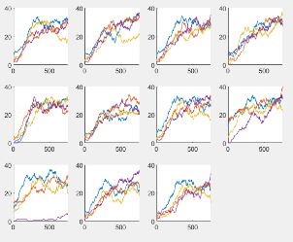
Reward Tune 4
Optimization steps | 15 | 20 | 25 | None | 2 | 1 | 3
Network size | 128 | 256 | 512 | Medium | 2 | 4 | 5
Gamma | 0.99 | 0.995 | 0.997 | Minor | 6 | 2 | 7
Likelihood | 0.05 | 0.1 | 0.15 | Minor | 2 | 8 | 9
Memory | 15000 | 20000 | 25000 | Minor | 2 | 10 | 11

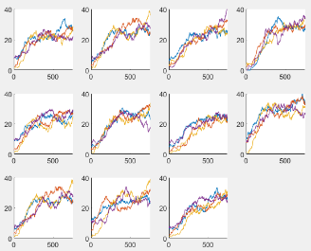
Reward Tune 4.2
Optimization steps | 10 | 15 | 20 | Minor | 1 | 2 | 3
Network size | 128 | 256 | 512 | Minor | 3 | 2 | 4
Gamma | 0.99 | 0.995 | 0.997 | Medium | 5 | 2 | 6
Likelihood | 0.03 | 0.05 | 0.1 | Minor | 7 | 2 | 8
Memory | 10000 | 15000 | 25000 | None | 10 | 2 | 11

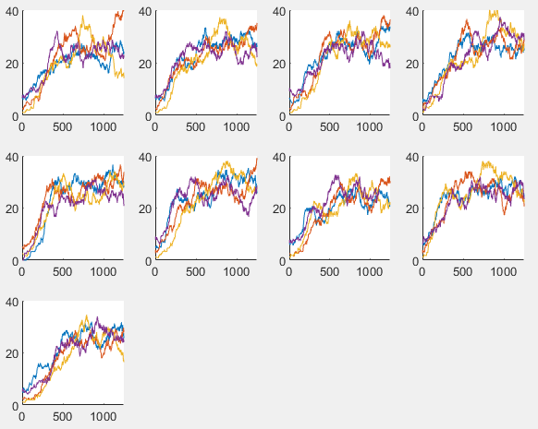
Reward Tune 5
Optimization steps | 10 | 15 | 40 | Minor | 1 | 2 | 3
Network size | 128 | 256 | 512 | Medium | 4 | 2 | 5
Batch Size | 256 | 1028 | 2048 | None | 6 | 2 | 7
Memory | 15000 | 25000 | 35000 | None | 8 | 2 | 9

Curious
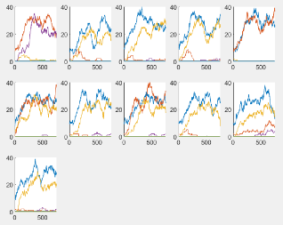
Curious Tune 1
Optimization steps | 5 | 10 | 15 | None
Random size | 20 | 50 | 100 | Minor
Gamme | 0.98 | 0.99 | 0.995 | Major
Likelihood | 0.05 | 0.1 | 0.2 | Major
Memory | 5000 | 10000 | 15000 | None

Curious Tune 6
Optimization steps | 10 | 15 | 20
Random size | 20 | 50 | 100
Gamme | 0.98 | 0.99 | 0.995
Likelihood | 0.05 | 0.075 | 0.1
Memory | 15000 | 20000 | 25000

